Sheet1
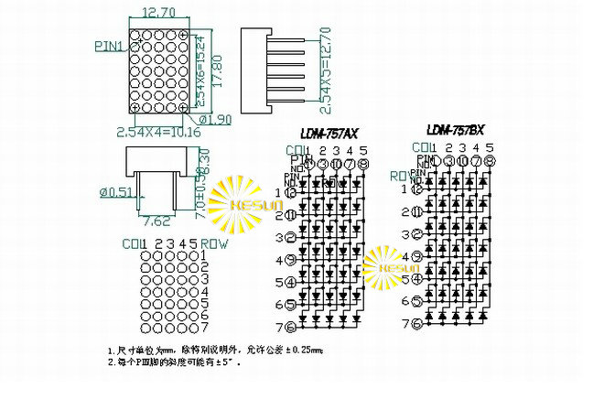
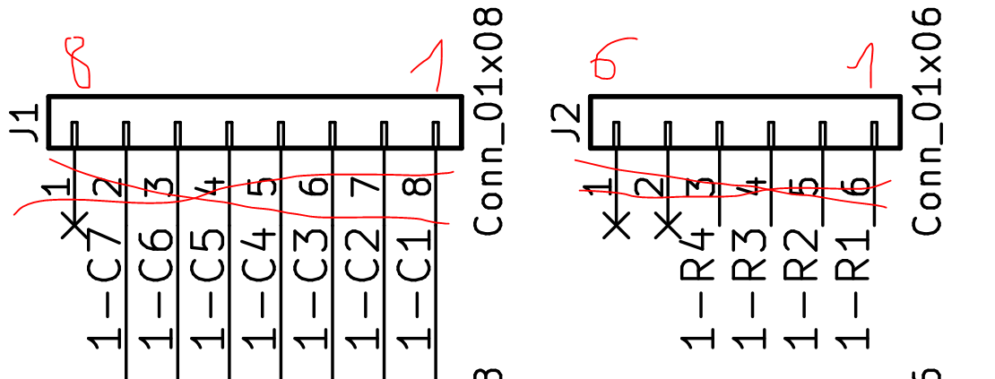

757BS
X | 12.7 | 6.35 | 0.2 | 6.55 |  |  | CONN6 | CON 8 |  |  | CONN 6 | CONN8
Y | 17.8 | 8.9 | 0.2 | 9.1 | R1 |  | 6 |  | 1 | 12 |  | 8 | C1
 |  |  |  |  |  | C3 |  | 6 | 2 | 11 |  | 7 | C2
 |  |  |  |  | R2 |  |  |  | 3 | 10 | 5 |  |  | R3
 |  |  |  |  |  | C5 |  | 4 | 4 | 9 |  | 5 | C4
 |  |  |  |  |  | C6 |  | 3 | 5 | 8 | 2 |  |  | R5
 |  |  |  |  |  | C7 |  | 2 | 6 | 7 | 3 |  |  | R4

